1. Title Page
[Instacart Grocery Basket Analysis]

Project Name: Instacart Grocery Basket Analysis
Date: 22.05.2021
Analyst Name: Laura Asara

Contents:
Population Flow
Consistency checks
Wrangling steps
Column derivations
Visualizations
Recommendations

Citation: “The Instacart Online Grocery Shopping Dataset 2017”, Accessed from https://www.instacart.com/datasets/grocery-shopping-2017 on <date>

2. Population Flow
Title page

Population flow

Exclusion flag
Condition: max_order < 5
Obervations to be removed: 1048576
Final total count of order_products_all:

Orders_products_combined
Orders_products_merged
Orders_products_all

Total: 32434489
Total: 1048576
Total: 30992664

1.) The grey boxes in the first row of the population flow represent the original data sets as they were when you downloaded them. In the Total fields you need to add the count of the rows when you imported the data set into Jupyter.
2.) The second row of boxes (coloured) represents the data sets after you manipulated them, e.g., removed missing values and duplicates. In the Total fields you need to add the count of the rows after conducting these operations. This offers a visual oveview of how the data flows throughout the data consistency checks.
3.) The third row, where also the arrows are coloured, represents the merges you performed between the datasets. In the Total fields you need to add the count of the rows in the merged datasets, so that you end up with the final dataset (in the red box). Keep in mind the final dataset should be without exclusions (based on the exclusion flag).

3. Consistency checks
 |  |  |  | Title page
Consistency checks

Dataset | Missing values | Missing values treatment | Duplicates
orders | 0 |  | 0
products | 16 | nan | 5
orders_products_prior | 0 |  | 0
customers | 11529 |  | 0

4. Wrangling steps
 |  |  |  | Title page
Wrangling steps

Columns dropped | Columns renamed | Columns' type changed | Comment/Reason
evaluation set |  |  | not needed for the anylsis
 | Surnam | surname | spelling mistake
 | First Name | first_name | uniforming format
 | STATE | state | uniforming format
 | Age | age | uniforming format
surname |  |  | adressing PII
first_name |  |  | adressing PII
unnamed 0 |  |  | extra column after merging
unnamed 0.1 |  |  | extra column after merging
unnamed 0.1.1 |  |  | extra column after merging

5. Column derivations
 |  |  |  | Title page

Column derivations and aggregations

In this tab you should add tables below that the frequences of flags/label variables that you produced after deriving them. NB: don't do this for continuous variables, only for flags.
Dataset | New column | Column/s it was derived from | Conditions
orders_product combined | _merged | merging of two datasets
orders_product merged | price_label | price label | def price_label(row): if row['prices'] <= 5: return 'Low-range product' elif (row['prices'] > 5) and (row['prices'] <= 15): return 'Mid-range product' elif row['prices'] > 15: return 'High range' else: return 'Not enough data'
orders_product merged | order_dow | days label | for value in ords_prods_merged["order_dow"]: if value == 0: result.append("Busiest day") elif value == 4: result.append("Least busy") else: result.append("Regularly busy")
orders_product merged | orders_hour_of_day | hour label | for value in ords_prods_merged["order_hour_of_day"]: if value == 10 and 11 and 14 and 15 and 13 and 12 and 16 and 9 and 17 and 8 and 18 and 19: result.append("Most orders") elif value == 3 and 4 and 2 and 5: result.append("Fewest orders") else: result.append("Average orders")
orders_product merged | loyality flag |  | ords_prods_merge.loc[ords_prods_merge['max_order'] > 40, 'loyalty_flag'] = 'Loyal customer' ords_prods_merge.loc[(ords_prods_merge['max_order'] <= 40) & (ords_prods_merge['max_order'] > 10), 'loyalty_flag'] = 'Regular customer' ords_prods_merge.loc[ords_prods_merge['max_order'] <= 10, 'loyalty_flag'] = 'New customer'
ords_prods_custmrs_merge3 | us_region |  | distributing the US states by regione based on wikipedia divisions
ords_prods_custmrs_merge3 | customer_activity_flag |  | exclusion of low activity customers
ords_prods_custmrs_merge3 | fam_range |  | def fam_range(row): if row['n_dependants'] == 0: return 'single' elif (row['n_dependants'] > 0) and (row['n_dependants'] <= 4): return 'family' elif row ['n_dependants'] > 4: return 'big_family' else: return np.nan
ords_prods_custmrs_merge3 | age_range |  | def age_range(row): if (row['age'] >= 18) and (row['age'] <= 35): return 'young' elif (row['age'] > 35) and (row['age'] <= 65): return 'adult' elif row ['age'] > 65: return 'mature' else: return np.nan
ords_prods_custmrs_merge3 | income_range |  | def income_range(row): if (row['income'] <= 60000): return 'low_income' elif (row['income'] > 60000) and (row['income'] <= 120000): return 'med_income' elif row ['income'] > 120000: return 'high_income' else: return np.nan
ords_prods_custmrs_merge3 | beverage flag |  | def beverage_flag(row): if row['department_id'] == 5: return 'alc_beverage' if row['department_id'] == 7: return 'soft_beverage' else: return 'no_beverage'

6. Visualizations
 | Title page

Visualisations

In this tab you should include all the visualtions from Exercises 4.9 and 4.10, alongside the questions from the project brief that they answer. Include any commentary on the relationship between different variables.

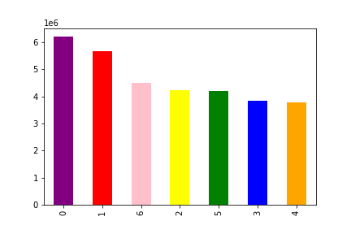

Correlation between the days of the week and number of orders

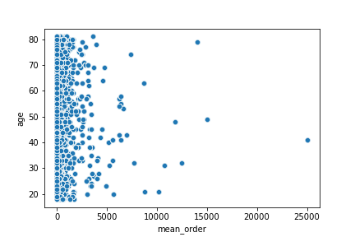

correlation between mean order and population age

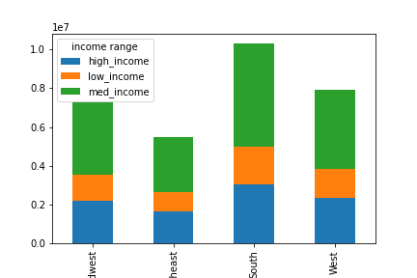

income distribution among the us region: Midwest, Southeast, South, West

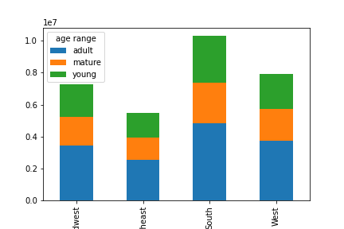

age range distribution among the us region: Midwest, Southeast, South, West

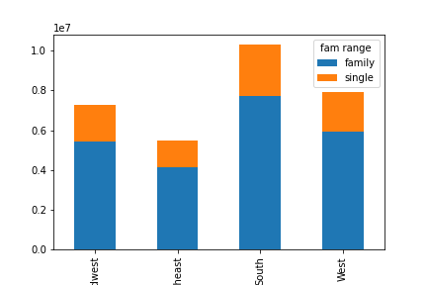

fam range distribution among the us region: Midwest, Southeast, South, West

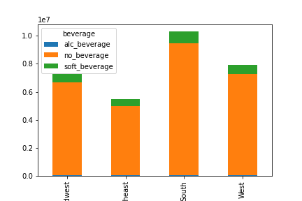

beverage range distribution among the us region: Midwest, Southeast, South, West

7. Recommendations
 |  | Title page

Recommendations

In this tab you should include any recommendations you would made to Instcart in terms of their marketing strategy based on the questions posed in the brief. Every key question has been covered in the Tasks of the Exercises - here you need to add an item - a visualisation or table/crosstable that is showing the answer in the data, acompanied by a comment from you. Please, list the questions below and add the answer underneath.

Question
Key Question 1 | The sales team needs to know what the busiest days of the week and hours of the day are (i.e., the days and times with the most orders) in order to schedule ads at times when there are fewer orders.
 | The busiest day of the week is Saturday (0 in the chart)

Key Question 2 | They also want to know whether there are particular times of the day when people spend the most money, as this might inform the type of products they advertise at these times.
 | the busiest ordering time is between 10 am and 12 am

Key Question 3 | Instacart has a lot of products with different price tags. Marketing and sales want to use simpler price range groupings to help direct their efforts.
 | they can get price_labels defined as <5$ low price, 5$<= & => 15$ average price, > 15$ high price

Key Question 4 | Are there certain types of products that are more popular than others? The marketing and sales teams want to know which departments have the highest frequency of product orders.
 | produce is the most purchased product, further investigation can be done by creating a visualization of the department_id

Key Question 5 | What’s the distribution among users in regards to their brand loyalty (i.e., how often do they return to Instacart)?
 | adults age_range represents the users with the higher number of orders

Key Question 6 | Are there differences in ordering habits based on a customer’s region?
 | South seems to be the region with higher orders, the remaining 3 regions follow a similar pattern

Key Question 7 | Is there a connection between age and family status in terms of ordering habits?
 | adults age_range represents the users with the higher number of orders

Key Question 8 | What different classifications does the demographic information suggest? Age? Income? Certain types of goods? Family status?
 | adults spends the most, followed by mature and young population

Key Question 9 | What differences can you find in ordering habits of different customer profiles? Consider the price of orders, the frequency of orders, the products customers are ordering, and anything else you can think of
 | Consumer do not buy so many beverages, would be useful to undersand the reason and strenght the sell of this two departments id 5 and id 7

